PS MC
s
 |  |  | PICK SLIP
 | REQUESTOR DETAILS:

 | Date Requested:
 | Requesting Dept:
 | Requestor Name:
 | Requestor Email:
 | Purpose:
 | REQUEST(S):

 | No. | UNIT | COLOR | VIN / PLATE NO. | BATTERY A | BATTERY B | CHARGER
 | 1
 | 2
 | 3
 | 4
 | 5
 | 6
 | 7
 | 8
 | 9
 | 10
 | 11
 | 12
 | OTHER REQUEST(S):

 | OVERALL REMARKS:

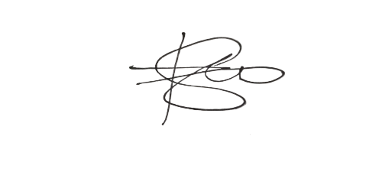
 | PREPARED BY. |  |  |  | APPROVED BY:

 | Signature: |  |  |  | Signature:
 | Name: |  | REYNAN LLANETA |  | Name: | ARBY MOSTRALES
 | Date: |  |  |  | Date:

RS
Save as PDF
 |  | REQUISITION SLIP
REQUESTOR DETAILS: |  |  |  |  |  | RS #: | 20260000206

Date Requested: |  | 7/27/2026
Requesting Dept: |  | Sales
Requestor Name: |  | Emmanuele Rapatan
Requestor Email: |  | erapatan@nrdev.ph
Purpose: |  | Test / Demo Unit
REQUEST(S):

No. | ITEM CODE |  | Description |  | Qty | UoM | Stock
1 | D400BLU4000 |  | MC - D400 Blue |  | 10 | unit | Available
2 | ESP00263 |  | RideBox Battery |  | 20 | pc | Available
3 | BATCH8A |  | RideBox Charger |  | 10 | pc | Available
4
5
6
7
8
9
10
11
12
OTHER REQUEST(S):

OVERALL REMARKS:

FULFILLMENT DETAILS:

Fulfillment Method: |  | Pickup
Company/Client: |  | Angkas
Address: |  | Pick up at E88 Ventures Asgard Warehouse
Delivery/Pick up Date: |  | 2026-07-31
Delivery/Pick up Time: |  | 9:00:00
Recipient Name: |  | Ron Dela Cruz
Recipient Number: |  | +639177680944
REQUESTED BY: |  |  | APPROVED BY: (REQUESTOR DEPT HEAD) |  | APPROVED BY: (SUPPLY CHAIN HEAD)

Signature: |  |  | Signature: |  | Signature:
Name: |  | Emmanuele Rapatan | Name: | Samuel Kniazeff Jr | Name: | Judy Joy Rosare
Position: |  | Sales Admin | Position: | Operations & Product Director | Position: | Logistics Expert
Date: |  | 7/27/2026 | Date: |  | Date:

